Content
Number | Content |  | LINK
1 | BackGround | Libor转换的背景 | link
2 | RFRBasicInfo | RFR的基本信息 | link
3 | MethdodologyTree | 计息规则概览及树状图 | link
4 | AdjustmentUnderBackward | Backward looking下的调整方式 | link
5 | SimpleRate | 单利计算 | link
6 | Compound | 复利计算 | link
7 | SOFRAverage | 后顾前置法下的SOFR Average | link
8 | ExistingTransition | 存量业务的转换方式 | link

The Phase-Out Of Libor, and
The Alternative Risk Free Rate(RFR)
Libor取消了怎么办？
通过Excel详解国际新替代基准利率定价规则及实务

MethdodologyTree
Back

 | 1. Forward looking: At the begnning of the loan, the rate for interest calculation has been determined (Calculate based on the OIS swap or future market)
 | 2. Backward-looking: The rate for interest calcuation is not determined at the inception of the loan, but rather settled after the loan approach to its end

 | Forward VS Backward
 | Type | Advantages | Disadvantages
 | Forward looking | 1. If the derivative has certain depth, the rate determined has more real data for backup, rather than Libor; 2. It is similar with Libor when it comes to interest calculation | 1. Need market depth in derivatives 2. Additional regulation 3. More knowledge requirement for company to uderstand its yield curve and methodolgy
 | Backward-looking | 1. The rates applied are real rates published everyday, fair price; 2. Using simple interest or compound calculation of every singe overnight rate, which can smooth the market volatility | 1. Can not reflect the term permiums; 2. The interest can only be determined at the end of the loan, cause difficulties for company to manage cash flow

 | Advance VS Arrear
Observation Period
Observation Period
Interest Period
T+0
T - 1m
T + 1m
Interest Period

T+0
T - 1m
T + 1m
 | Advance method use the historical rates, which does not reflect the currment market situation, therefore the market more often use the arrear method

 | CME Date

 | Data Source: | https://www.cmegroup.com/market-data/cme-group-benchmark-administration/term-sofr.html

AdjustmentUnderBackward
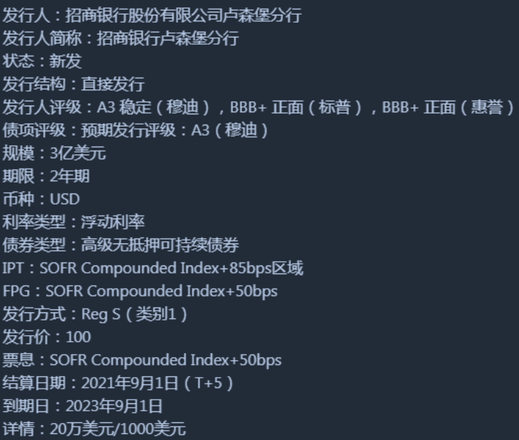
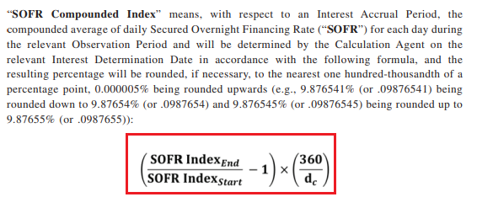
Back

 | In order the reduce the opertional pressure for all parties, the below adjustment applies when it comse to Backward-Looking methodolgy
 | 1. Payment Delay 延期支付
 | 2. Lockout 锁定
 | 3. Lag ( or Lookback) 回看
 | 4. Backward-Shift 回溯

 | 1. Payment Delay
 | Other thing remain the same, the payment delay 2-5 days after each period end.

 | 2. Lockout
 | Lock the rate for the x day (usually 2-5 days) before the end of the interest period, to reduce volitality in the end.
 | e.g. The interest period starts from 1th Sep to 30th Sep, and we apply 2 days lock out. Then the rates from 1th Sep to 27th Sep will be changed daily
 | , while 28th to 30th Sep will be locked as the same as 28th Sep.
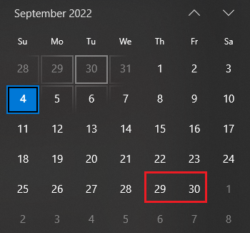

 | 3. lookback
 | 1) Use the rate published x days (usully 2-5 working day) before, as the rate for today's calculation
 | 2) The days for calculating the interest will still be referred as the current date (* a bit difficult to understand, need to check the example and following method)
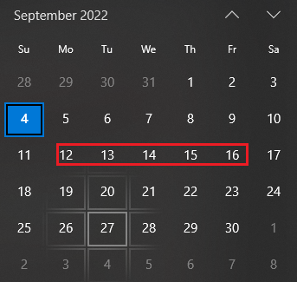
 | Work day | ri (the rate published on) | ni (days for interes calculation)
 | 2022-09-12 | r2022-09-8 | 1
 | 2022-09-13 | r2022-09-9 | 1
 | 2022-09-14 | r2022-09-12 | 1
 | 2022-09-15 | r2022-09-13 | 1
 | 2022-09-16 | r2022-09-14 | 3

 | 4. Backward-shift
 | 1) Use the rate published x days (usully 2-5 working day) before, as the rate for today's calculation
 | 2) The days for calculating the interest will be also be adjusted to x days before
 | Work day | ri (the rate published on) | ni (days for interes calculation)
 | 2022-09-12 | r2022-09-8 | 1
 | 2022-09-13 | r2022-09-9 | 3
 | 2022-09-14 | r2022-09-12 | 1
 | 2022-09-15 | r2022-09-13 | 1
 | 2022-09-16 | r2022-09-14 | 1

 | Backward-shift is widely used in the bond issuance. Although the interest caculation is complicated, but since Fed published the SOFR index,
 | it is easier to calculate under Backward-shift model.

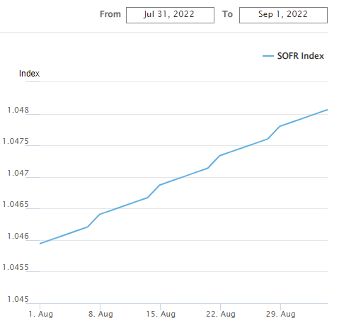
 | Sofr Index and bond Coupon Calculation
 |  |  | Published from 2018/04/2, start as 1
 |  |  | The index is compond every day thereafter, with the method introduced later
 |  |  | With Sofr Index, the rate calcution for Backward shift become easier
 |  |  | https://www.newyorkfed.org/markets/reference-rates/sofr-averages-and-index

SimpleRate
Back

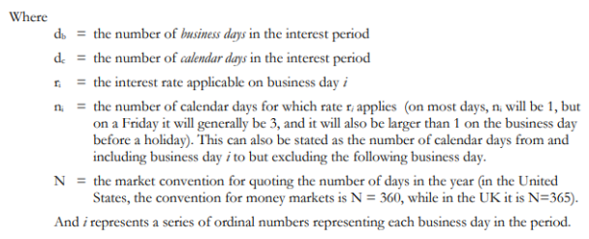

 | Example 1
 | 2 days look back， 1 week loan start from 12th to 19th Sep
 | Work day | Week | ri (the rate published on) | Sofr Rate | Days applied | Principal | Interest Accured | Annualized Simple Interest Rate | Margin | Interest For Margin | Total Interest
 | 2022-09-12 | 2022-09-12 | r2022-09-8 | 2.41% | 1 | 1,000,000 | 66.94 |  | 2% | 55.56 | 122.5
 | 2022-09-13 | 2022-09-13 | r2022-09-9 | 2.42% | 1 | 1,000,000 | 67.22 |  | 2% | 55.56 | 122.78
 | 2022-09-14 | 2022-09-14 | r2022-09-12 | 2.45% | 1 | 1,000,000 | 68.06 |  | 2% | 55.56 | 123.62
 | 2022-09-15 | 2022-09-15 | r2022-09-13 | 2.43% | 1 | 1,000,000 | 67.58 |  | 2% | 55.56 | 123.14
 | 2022-09-16 | 2022-09-16 | r2022-09-14 | 2.41% | 3 | 1,000,000 | 200.83 |  | 2% | 166.67 | 367.5
 | Payment date on 17th Sep |  |  |  |  |  | 470.63 | 2.42% |  |  | 859.54
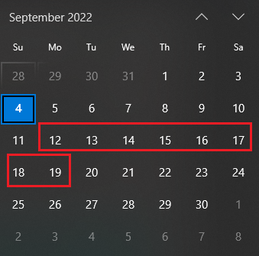

No matter which method the SOFR part applies (simple or compound), the margin always applies simple interest calculation

 | Example 2
 | 2 Days Backward Shift, 1 week loan start from 12th to 19th Sep
 | Work day | Week | ri (the rate published on) | Sofr Rate | Days applied | Principal | Interest Accured | Annualized Simple Interest Rate | Margin | Interest For Margin | Total Interest
 | 2022-09-12 | 2022-09-12 | r2022-09-8 | 2.41% | 1 | 1,000,000 | 66.94 |  | 2% | 55.56 | 122.5
 | 2022-09-13 | 2022-09-13 | r2022-09-9 | 2.42% | 3 | 1,000,000 | 201.67 |  | 2% | 166.67 | 368.34
 | 2022-09-14 | 2022-09-14 | r2022-09-12 | 2.45% | 1 | 1,000,000 | 68.06 |  | 2% | 55.56 | 123.62
 | 2022-09-15 | 2022-09-15 | r2022-09-13 | 2.43% | 1 | 1,000,000 | 67.58 |  | 2% | 55.56 | 123.14
 | 2022-09-16 | 2022-09-16 | r2022-09-14 | 2.41% | 1 | 1,000,000 | 66.94 |  | 2% | 55.56 | 122.5
 | Payment date on 17th Sep |  |  |  |  |  | 471.19 | 2.42% |  |  | 860.1

Compound
Back

It is not purely a compound rate, but rather a mix of simple and compound:
1) compound on normal working day
2) simple on Firday and weekend and other non SOFR published day

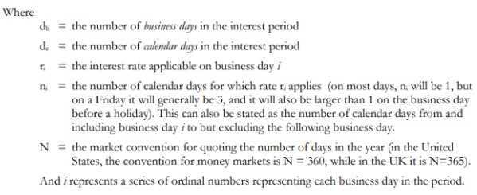

 | Example 1:
 | 2 days look back， 1 week loan start from 12th to 19th Sep
 | Work day | Week | ri (the rate published on) | Sofr Rate | Days applied | Principal | Pricipal + Total \Accured Int | Daily Accured Int | Compound Rate Formula1 | Compound Rate Formula2 | Margin | Interest For Margin | Total Interest
 | 2022-09-12 | 2022-09-12 | r2022-09-8 | 2.41% | 1 | 1,000,000 | 1,000,000.00 | 66.94 | 100.0067% | 0.0066944% | 2% | 55.56 | 122.50
 | 2022-09-13 | 2022-09-13 | r2022-09-9 | 2.42% | 1 | 1,000,000 | 1,000,066.94 | 67.23 | 100.0067% | 0.0134171% | 2% | 55.56 | 122.79
 | 2022-09-14 | 2022-09-14 | r2022-09-12 | 2.45% | 1 | 1,000,000 | 1,000,134.17 | 68.06 | 100.0068% | 0.0202236% | 2% | 55.56 | 123.62
 | 2022-09-15 | 2022-09-15 | r2022-09-13 | 2.43% | 1 | 1,000,000 | 1,000,202.23 | 67.60 | 100.0068% | 0.0269833% | 2% | 55.56 | 123.16
 | 2022-09-16 | 2022-09-16 | r2022-09-14 | 2.41% | 3 | 1,000,000 | 1,000,269.83 | 200.89 | 100.0201% | 0.0470720% | 2% | 166.67 | 367.56
 | Payment date on 17th Sep |  |  |  |  |  | 1,000,470.72 | 470.72 | 2.4208% | 2.4208% |  |  | 859.61

Friday to Sunday are not compound, but use the simpe rate

 | Example 2:
 | 2 backward shift， 1 week loan start from 12th to 19th Sep
 | Work day | Week | ri (the rate published on) | Sofr Rate | Days applied | Principal | Pricipal + Total \Accured Int | Daily Accured Int | Compound Rate Formula1 | Compound Rate Formula2 | Margin | Interest For Margin | Total Interest
 | 2022-09-12 | 2022-09-12 | r2022-09-8 | 2.41% | 1 | 1,000,000 | 1,000,000.00 | 66.94 | 100.0067% | 0.0066944% | 2% | 55.56 | 122.50
 | 2022-09-13 | 2022-09-13 | r2022-09-9 | 2.42% | 3 | 1,000,000 | 1,000,066.94 | 201.68 | 100.0202% | 0.0268625% | 2% | 166.67 | 368.35
 | 2022-09-14 | 2022-09-14 | r2022-09-12 | 2.45% | 1 | 1,000,000 | 1,000,268.62 | 68.07 | 100.0068% | 0.0336698% | 2% | 55.56 | 123.63
 | 2022-09-15 | 2022-09-15 | r2022-09-13 | 2.43% | 1 | 1,000,000 | 1,000,336.69 | 67.61 | 100.0068% | 0.0404305% | 2% | 55.56 | 123.17
 | 2022-09-16 | 2022-09-16 | r2022-09-14 | 2.41% | 1 | 1,000,000 | 1,000,404.30 | 66.97 | 100.0067% | 0.0471276% | 2% | 55.56 | 122.53
 | Payment date on 17th Sep |  |  |  |  |  | 1,000,471.27 | 471.27 | 2.4237% | 2.4237% |  |  | 860.16

SOFRAverage
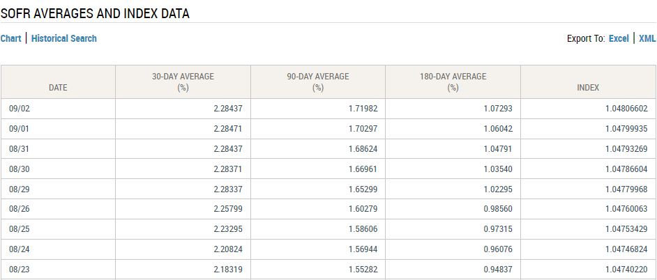
Back
 | Start from March 2020, the Fed New York starts to publish the 1m, 3m, 6m SOFR Average
 | https://www.newyorkfed.org/markets/reference-rates/sofr-averages-and-index
 | The SOFR average can be applied to backward-looking in advance method

